worksheet
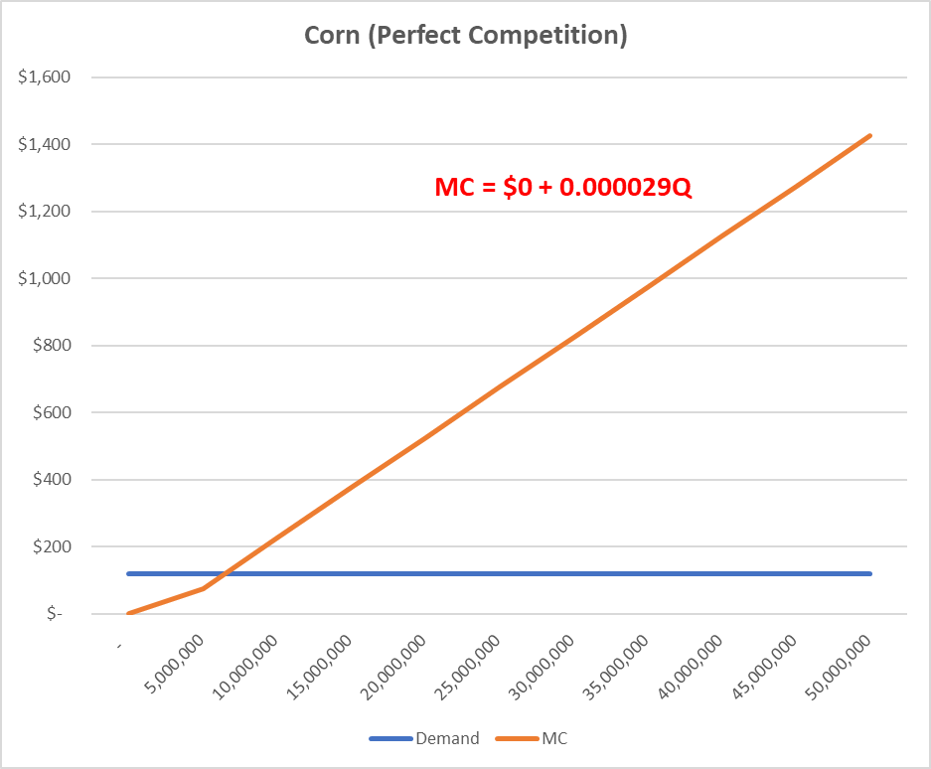
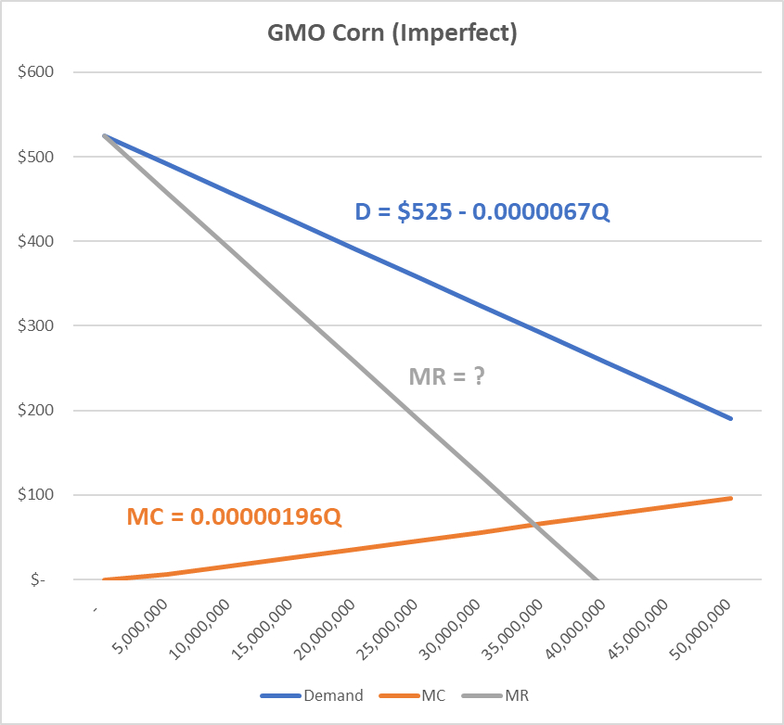
 | Perfect |  |  |  | Perfect or Imperfect?
 |  |  |  |  | Demand
 |  |  |  |  | Slope D GMO Corn | (0.0000067)
 |  |  |  | =cornGMO_D_slope*2 | Slope MR GMO Corn | ??
 |  |  |  |  | D Int | 525
 |  |  |  |  | MR Int | 525
 |  |  |  |  | Slope D GMO Corn @ 1m | (6.69)

 | Supply |  |  |  | Supply
 | Slope MC | 0.00002933 |  |  | Slope MC | 0.000001964
 | Intercept MC | - |  |  | Intercept MC | -
=corn_P/corn_MC_slope | Optimal output | ?? | <- hint: P = MC | =cornGMO_MR_int / (cornGMO_MC_slope - cornGMO_MR_slope) | Optimal output | ?? | <- hint: MR = MC

 | Market Price | $120.00 |  |  | Price @ opt | #VALUE! | =cornGMO_D_int + cornGMO_D_slope * cornGMO_Output_optimal
 | Revenue @ opt | #VALUE! | =corn_P*corn_Output_optimal |  | Revenue @ opt | #VALUE! | =cornGMO_Output_optimal * cornGMO_P_optimal

 | Fixed Costs | $130,000,000 |  |  | Fixed Costs | $130,000,000
 | Variable Costs | #VALUE! | =corn_P*corn_Output_optimal |  | Variable Costs | #VALUE! | =cornGMO_TC_optimal-H18
 | Total Costs | #VALUE! | =corn_FC+corn_VC |  | MR @ opt | #VALUE! | =cornGMO_MR_int + cornGMO_MR_slope * cornGMO_Output_optimal
 |  |  |  |  | MC @ opt | #VALUE! | =cornGMO_MC_intercept + cornGMO_MC_slope * cornGMO_Output_optimal
 |  |  |  |  | Total Costs | #VALUE! | =cornGMO_FC + cornGMO_MC_optimal * cornGMO_Output_optimal
 | Profit @ opt | #VALUE! | =corn_Revenue_optimal-corn_TC |  | Profit @ opt | #VALUE! | =cornGMO_Revenue_optimal - cornGMO_TC_optimal
 | Gain/Loss per | #VALUE! | =corn_Profit_optimal/corn_Output_optimal |  | Gain/Loss per | #VALUE! | =cornGMO_Profit_optimal/cornGMO_Output_optimal

